Overview
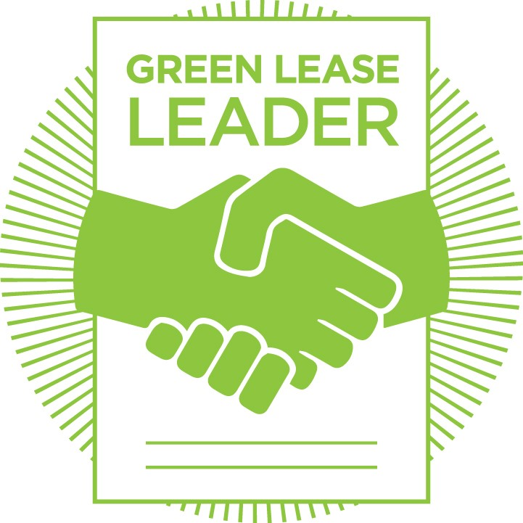 Overview of Requirements for Each Green Lease Leaders Recognition Level
Instructions: 1. This page provides an overview of the three Green Lease Leaders recognition levels. The table below details the evidence required for each level. 2. Go to the tab labled with your desired level of recognition. Please note that each recogntion level builds upon the preceding. Gold recognition includes all Silver level requirements plus additional documentation. Platinum level includes all Gold and Silver level requirements plus additional documentation. 3. Each tab will have instructions at the top and notes to provide additional guidance. NOTE: Please use your desktop Excel application for optimal workbook performance.

For more in depth information about the requirements for each prerequisite and credit, please see the Landlord Reference Guide on the Green Lease Leaders website.

Prerequisite Instructions
 | Silver | Gold | Platinum
Select 2 of the 3 prerequisites. For Multifamily applicants, address Prerequisite 2b instead of 2a.
Prerequisite 1. Provide sustainability contact and/or information | Required | Required | Required
Prerequisite 2a. Implement cost recovery clause for energy efficiency upgrades benefiting tenant | Required | Required | Required
Prerequisite 2b. Multifamily - Implement energy efficiency improvements during unit turns | Multifamily applicants only | Multifamily applicants only | Multifamily applicants only
Credit Instructions
 | Silver | Gold | Platinum
 | Select 5 of the following. Provide a standard lease form, corporate policy, or other company-wide documention to support each credit. Three of your credits MUST use the Standard Lease Form as evidence. | Select 5 of the following. Provide an executed lease in addition to standard lease form, corporate policy, or other company-wide documention to support each credit. Three of your credits MUST use the Standard Lease Form and Executed Lease as evidence. The standard lease form and executed lease do not need to be used to address the same credit. | Fulfill Credits 12 - 15. Select 3 additional credits. Provide an executed lease in addition to standard lease form, corporate policy, or other company-wide documention to support each credit. Three of your credits MUST use the Standard Lease Form and Executed Lease as evidence. The standard lease form and executed lease do not need to be used to address the same credit.
Credit 1: Track energy use | Option | Option | Option
Credit 2: Track water use | Option | Option | Option
Credit 3: Track waste generation and diversion rates | Option | Option | Option
Credit 4: Disclose energy performance to tenant/resident annually | Option | Option | Option
Credit 5: Disclose water performance to tenant/resident annually | Option | Option | Option
Credit 6: Disclose waste generation to tenant/resident annually, upon request | Option | Option | Option
Credit 7: Ensure brokers or leasing agent(s) receive energy training | Option | Option | Option
Credit 8: Implement landlord energy management best practices | Option | Option | Option
Credit 9: Require tenants to purchase renewables if offered by landlord and competitively priced | Option | Option | Option
Credit 10: Require minimum efficiency fit-out for tenants | Option | Option | Option
Credit 11: Establish a tenant/resident energy efficiency engagement and training plan | Option | Option | Option
Credit 12: Energy transparency | Option | Option | Required
Credit 13: Establish a whole building performance reduction goal in carbon or energy use intensity (EUI) units | Option | Option | Required
Credit 14: Establish social impact goals for health, wellness, diversity and inclusion | Option | Option | Required
Credit 15: Establish impact goals for building resilience and climate risk | Option | Option | Required
Credit 16: Innovation | Option | Option | Option

